OG Epochs
Epoch | Training Accuracy | Training Loss | Validation Accuracy | Validation loss | Smote Dataset |  | SMOTE | Classification Report |  |  |  | Original: | Test Loss | Test Accuracy | Original | Classification Report |  |  |  | Feature | Correlation
1 | 0.8133 | 4.1601 | 0.9317 | 1.6297 | Test Loss | Test Accuracy | Class | Precision | Recall | F1-Score | Support |  | 0.49169352651 | 0.96681505442 | Class | Precision | Recall | F1-Score | Support | Fibrin D-dimer FEU [Mass/volume] in Platelet poor plasma_observations | 0.3671326869
2 | 0.8934 | 1.3181 | 0.9575 | 1.0007 | 0.44236904383 | 0.96765619516 | 0 | 1 | 0.99 | 1 | 1692 |  |  |  | 0 | 0.94 | 0.97 | 0.95 | 74 | Adenovirus A+B+C+D+E DNA [Presence] in Respiratory specimen by NAA with probe detection_observations | 0.34980764828
3 | 0.9074 | 1.2493 | 0.9601 | 0.8479 |  |  | 1 | 0.99 | 0.97 | 0.98 | 1672 |  |  |  | 1 | 0.99 | 0.96 | 0.98 | 387 | Human metapneumovirus RNA [Presence] in Respiratory specimen by NAA with probe detection_observations | 0.34980764828
4 | 0.9146 | 1.1558 | 0.9538 | 0.7921 |  |  | 2 | 0.97 | 0.91 | 0.94 | 1722 |  |  |  | 2 | 0.92 | 0.82 | 0.87 | 297 | Influenza virus A RNA [Presence] in Respiratory specimen by NAA with probe detection_observations | 0.33997073485
5 | 0.9226 | 1.0786 | 0.9511 | 0.8875 |  |  | 3 | 0.92 | 0.99 | 0.95 | 1685 |  |  |  | 3 | 0.97 | 0.99 | 0.98 | 1713 | Influenza virus B RNA [Presence] in Respiratory specimen by NAA with probe detection_observations | 0.33790896725
6 | 0.9242 | 0.9929 | 0.9559 | 0.8083
7 | 0.9306 | 0.9326 | 0.962 | 0.6542 |  |  | Accuracy |  |  | 0.97 | 6771 |  |  |  | Accuracy |  |  | 0.97 | 2471
8 | 0.9349 | 0.763 | 0.9601 | 0.6134 |  |  | Macro Average | 0.97 | 0.97 | 0.97 | 6771 |  |  |  | Macro Average | 0.95 | 0.94 | 0.94 | 2471
9 | 0.9329 | 0.7679 | 0.9657 | 0.6329 |  |  | Weighted Average | 0.97 | 0.97 | 0.97 | 6771 |  |  |  | Weighted Average | 0.97 | 0.97 | 0.97 | 2471
10 | 0.9353 | 0.6992 | 0.9655 | 0.5952
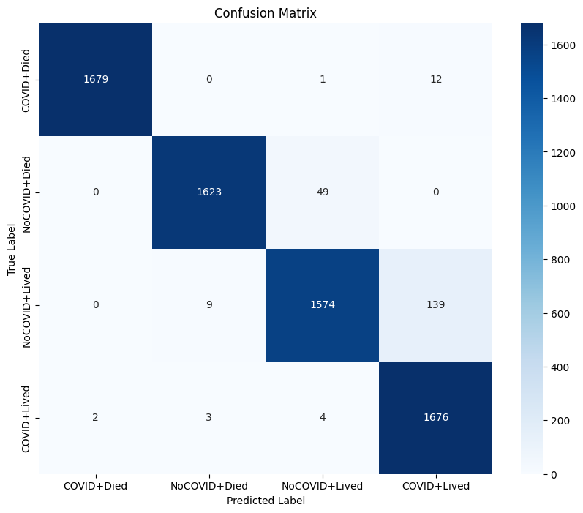
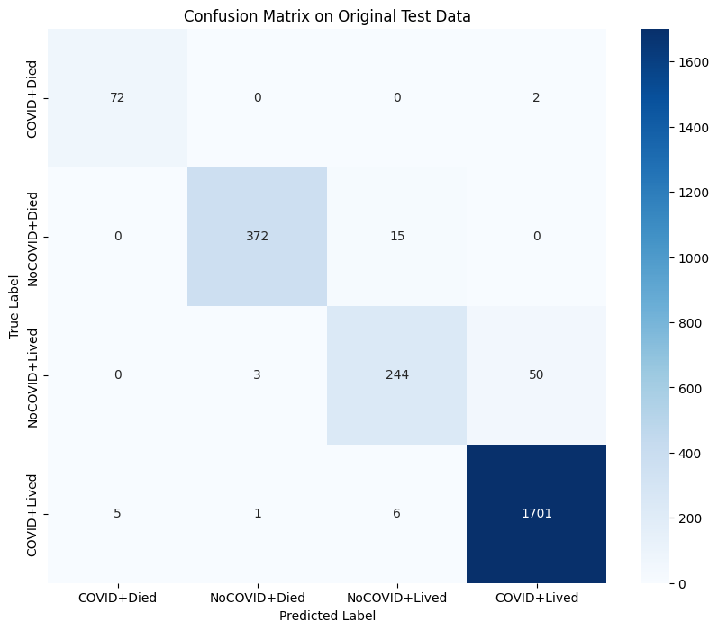
11 | 0.9376 | 0.6593 | 0.9562 | 0.6961
12 | 0.9374 | 0.656 | 0.9673 | 0.6291
13 | 0.9375 | 0.6508 | 0.969 | 0.5384
14 | 0.9405 | 0.5895 | 0.9747 | 0.4694
15 | 0.9407 | 0.5929 | 0.971 | 0.5726
16 | 0.9375 | 0.6395 | 0.9688 | 0.5215
17 | 0.9397 | 0.5912 | 0.9664 | 0.4692
18 | 0.94 | 0.5873 | 0.9682 | 0.4422
19 | 0.9413 | 0.5916 | 0.9727 | 0.5422
20 | 0.9402 | 0.601 | 0.9655 | 0.5072
21 | 0.9427 | 0.581 | 0.9655 | 0.5072
22 | 0.9432 | 0.555 | 0.9705 | 0.4665
23 | 0.9435 | 0.5366 | 0.962 | 0.454

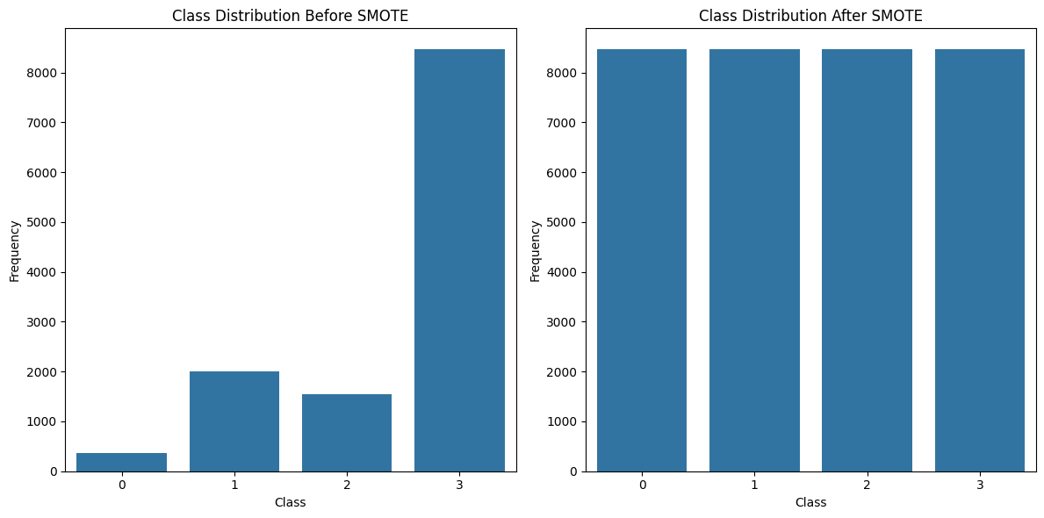

Training and Validation Accuracy for Non-Modified Data
Training and Validation Loss for Non-Modified Data

_0.5
Epoch | Training Accuracy | Training Loss | Validation Accuracy | Validation loss | Test Loss | Test Accuracy |  | Classification Report |  |  |  | Original: | Test Loss | Test Accuracy |  | Classification Report |  |  |  | Feature | Correlation
1 | 0.7028 | 4.6589 | 0.7373 | 1.9908 | 0.77549749613 | 0.95282763243 | Class | Precision | Recall | F1-Score | Support |  | 0.87470030785 | 0.89154189825 | Class | Precision | Recall | F1-Score | Support | SARS-CoV-2 RNA Pnl Resp NAA+probe_observations | 0.48938199127
2 | 0.8012 | 2.1211 | 0.8253 | 1.8569 |  |  | 0 | 1 | 1 | 1 | 1816 |  |  |  | 0 | 0.33 | 1 | 0.5 | 2 | Left ventricular Ejection fraction_observations | 0.31841088853
3 | 0.824 | 1.93 | 0.8438 | 2.0839 |  |  | 1 | 0.98 | 0.97 | 0.98 | 1822 |  |  |  | 1 | 0.93 | 0.95 | 0.94 | 459 | AGE_patients | 0.2790273051
4 | 0.8362 | 2.1205 | 0.9174 | 1.9516 |  |  | 2 | 0.91 | 0.91 | 0.91 | 1863 |  |  |  | 2 | 0.96 | 0.9 | 0.93 | 1836 | Adenovirus A+B+C+D+E DNA [Presence] in Respiratory specimen by NAA with probe detection_observations | 0.27615427696
5 | 0.8575 | 1.9272 | 0.9271 | 1.5639 |  |  | 3 | 0.92 | 0.93 | 0.93 | 1855 |  |  |  | 3 | 0.43 | 0.67 | 0.52 | 174 | Human metapneumovirus RNA [Presence] in Respiratory specimen by NAA with probe detection_observations | 0.27615427696
6 | 0.8601 | 1.7718 | 0.8613 | 1.7273
7 | 0.8627 | 1.6573 | 0.9336 | 1.5632 |  |  | Accuracy |  |  | 0.95 | 7356 |  |  |  | Accuracy |  |  | 0.89 | 2471
8 | 0.8698 | 1.5462 | 0.912 | 1.4532 |  |  | Macro Average | 0.95 | 0.95 | 0.95 | 7356 |  |  |  | Macro Average | 0.66 | 0.88 | 0.72 | 2471
9 | 0.8836 | 1.4168 | 0.9381 | 1.2465 |  |  | Weighted Average | 0.95 | 0.95 | 0.95 | 7356 |  |  |  | Weighted Average | 0.91 | 0.89 | 0.9 | 2471
10 | 0.8715 | 1.4147 | 0.9234 | 1.2951

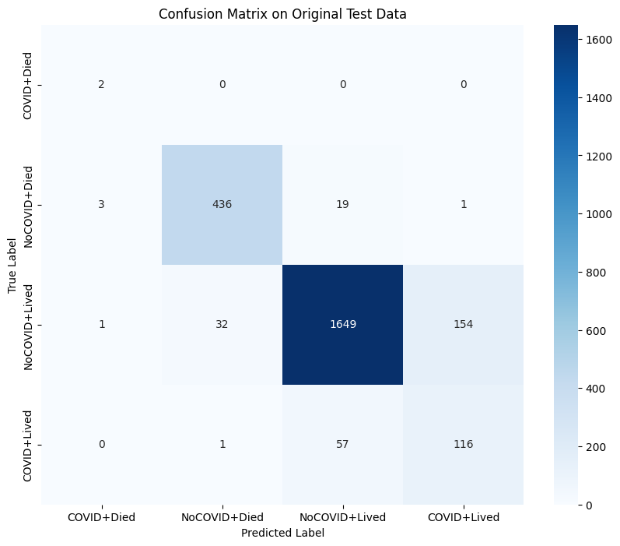
11 | 0.8754 | 1.3658 | 0.9381 | 1.2445
12 | 0.8791 | 1.311 | 0.9449 | 1.103
13 | 0.8812 | 1.2665 | 0.9361 | 1.1073
14 | 0.8797 | 1.254 | 0.9443 | 1.0732
15 | 0.8793 | 1.1632 | 0.9507 | 1.0071
16 | 0.8776 | 1.1984 | 0.9453 | 1.0667
17 | 0.8851 | 1.2106 | 0.9427 | 0.9913
18 | 0.8827 | 1.1291 | 0.9443 | 1.0127
19 | 0.8819 | 1.1 | 0.9478 | 1.0987
20 | 0.884 | 1.1118 | 0.9225 | 1.0179
21 | 0.8865 | 1.0896 | 0.9444 | 0.904
22 | 0.8829 | 1.0868 | 0.9422 | 0.9084
23 | 0.884 | 1.0705 | 0.9082 | 1.08
24 | 0.8801 | 1.1263 | 0.9472 | 0.8912
25 | 0.8787 | 1.0565 | 0.9412 | 0.9157
26 | 0.8901 | 1.0041 | 0.9483 | 0.8782
27 | 0.8843 | 1.0763 | 0.9407 | 0.8478
28 | 0.8768 | 1.0322 | 0.9415 | 0.8273
29 | 0.8877 | 0.948 | 0.9461 | 0.8445
30 | 0.8838 | 1.0057 | 0.8753 | 0.9872
31 | 0.8871 | 0.9692 | 0.9466 | 0.8207
32 | 0.8824 | 0.9699 | 0.9453 | 0.8535
33 | 0.8824 | 0.977 | 0.9426 | 0.884
34 | 0.8874 | 0.9712 | 0.955 | 0.7667
35 | 0.8882 | 0.9446 | 0.9404 | 0.8
36 | 0.8895 | 0.9235 | 0.9256 | 0.8489
37 | 0.8856 | 0.9344 | 0.9337 | 0.8167
38 | 0.8835 | 0.9516 | 0.9256 | 0.8616
39 | 0.8863 | 0.9436 | 0.9444 | 0.8265

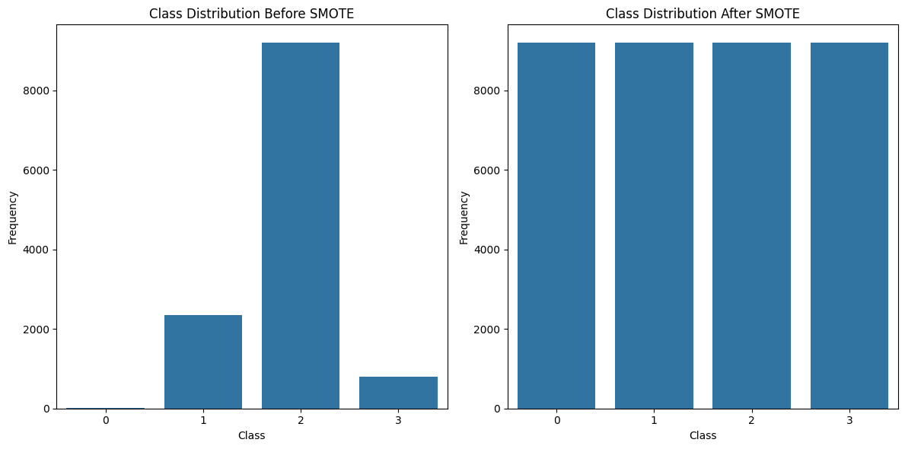

Training and Validation Accuracy for Randomized Data (e = 0.5)
Training and Validation Loss for Randomized Data (e = 0.5)

_1
Epoch | Training Accuracy | Training Loss | Validation Accuracy | Validation loss | Test Loss | Test Accuracy |  | Classification Report |  |  |  | Original: | Test Loss | Test Accuracy |  | Classification Report |  |  |  | Feature | Correlation
1 | 0.7354 | 4.6345 | 0.7618 | 2.2406 | 0.9079349637 | 0.97568696737 | Class | Precision | Recall | F1-Score | Support |  | 0.97527182102 | 0.94172400236 | Class | Precision | Recall | F1-Score | Support | SARS-CoV-2 RNA Pnl Resp NAA+probe_observations | 0.52773587573
2 | 0.8462 | 2.1599 | 0.9019 | 1.83 |  |  | 0 | 1 | 1 | 1 | 1930 |  |  |  | 0 | 0.67 | 1 | 0.8 | 2 | Left ventricular Ejection fraction_observations | 0.35869597455
3 | 0.8701 | 2.1439 | 0.9633 | 1.668 |  |  | 1 | 0.98 | 0.96 | 0.97 | 1954 |  |  |  | 1 | 0.91 | 0.91 | 0.91 | 459 | Lymph nodes with isolated tumor cells [#] in Cancer specimen by Light microscopy_observations | NAN
4 | 0.8869 | 1.9426 | 0.9531 | 1.801 |  |  | 2 | 0.96 | 0.95 | 0.96 | 2000 |  |  |  | 2 | 0.98 | 0.95 | 0.96 | 1989 | QALY_observations | 0.36621203627
5 | 0.8951 | 1.861 | 0.9674 | 1.5369 |  |  | 3 | 0.97 | 1 | 0.98 | 2013 |  |  |  | 3 | 0.24 | 1 | 0.39 | 21 | Protein [Mass/volume] in Serum or Plasma_observations | 0.34935468622
6 | 0.8976 | 1.7402 | 0.9628 | 1.4751 |  |  |  |  |  |  |  |  |  |  |  |  |  |  |  | DESCRIPTION_24 HR metoprolol succinate 100 MG Extended Release Oral Tablet [Toprol]_medications | 0.31427624735
7 | 0.8967 | 1.6422 | 0.9604 | 1.5184 |  |  | Accuracy |  |  | 0.98 | 7897 |  |  |  | Accuracy |  |  | 0.94 | 2471
8 | 0.9029 | 1.5872 | 0.9555 | 1.564 |  |  | Macro Average | 0.98 | 0.98 | 0.98 | 7897 |  |  |  | Macro Average | 0.7 | 0.97 | 0.77 | 2471
9 | 0.9058 | 1.5201 | 0.9693 | 1.4296 |  |  | Weighted Average | 0.98 | 0.98 | 0.98 | 7897 |  |  |  | Weighted Average | 0.96 | 0.94 | 0.95 | 2471
10 | 0.9052 | 1.4522 | 0.934 | 1.3433
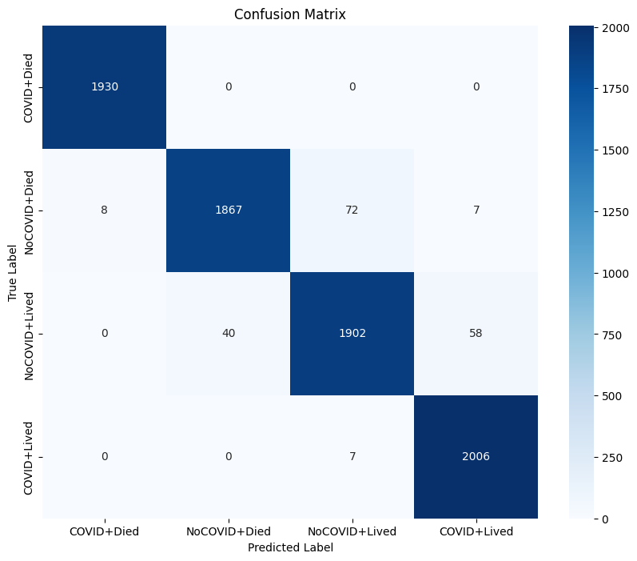
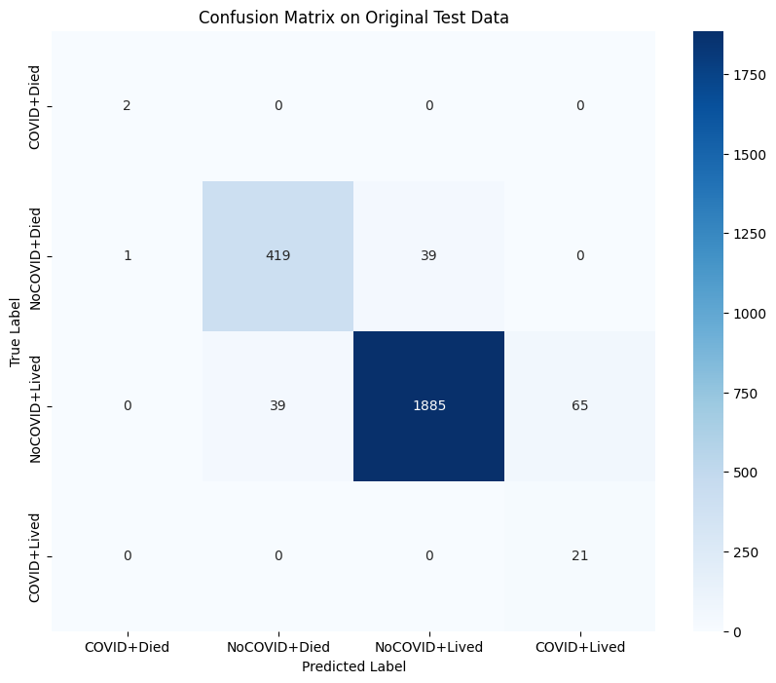
11 | 0.9088 | 1.4102 | 0.9644 | 1.2635
12 | 0.911 | 1.3401 | 0.9755 | 1.1668
13 | 0.9152 | 1.3161 | 0.9626 | 1.3097
14 | 0.916 | 1.3168 | 0.9633 | 1.1803
15 | 0.9071 | 1.3694 | 0.9682 | 1.1936
16 | 0.9125 | 1.2777 | 0.9707 | 1.1591
17 | 0.9116 | 1.2714 | 0.9647 | 1.2535
18 | 0.9125 | 1.2856 | 0.9748 | 1.0823
19 | 0.912 | 1.2089 | 0.9785 | 0.9025
20 | 0.9166 | 1.1191 | 0.9653 | 0.9882
21 | 0.917 | 1.1708 | 0.9753 | 0.9979
22 | 0.915 | 1.1762 | 0.9652 | 0.9503
23 | 0.9124 | 1.1474 | 0.9726 | 0.9545
24 | 0.9178 | 1.1309 | 0.9759 | 1.0549

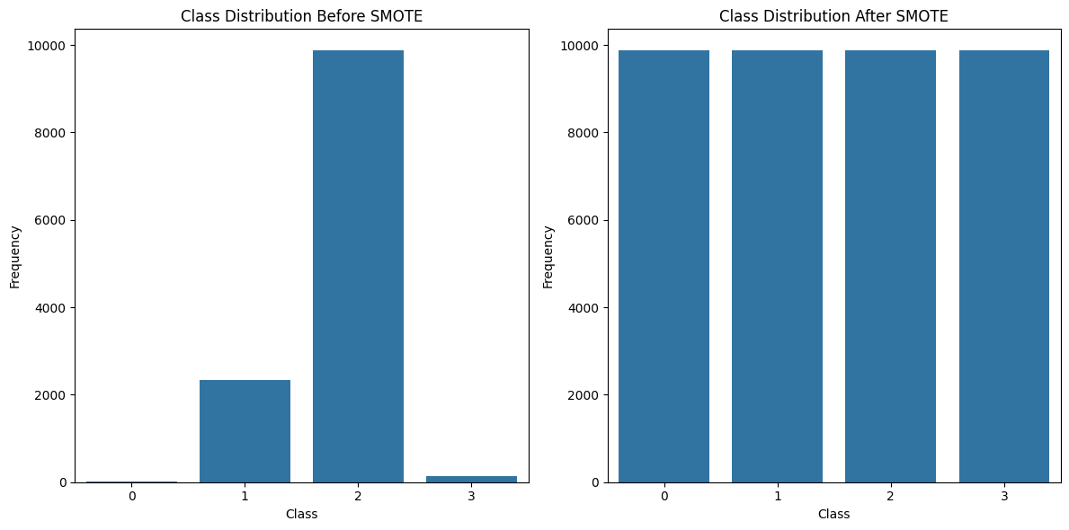

Training and Validation Accuracy for Randomized Data (e = 1)
Training and Validation Loss for Randomized Data (e = 1)

_3
Epoch | Training Accuracy | Training Loss | Validation Accuracy | Validation loss | Test Loss | Test Accuracy |  | Classification Report |  |  |  | Original: | Test Loss | Test Accuracy |  | Classification Report |  |  |  | Feature | Correlation
1 | 0.6996 | 4.2683 | 0.8383 | 1.6709 | 0.75793915987 | 0.9650157094 | Class | Precision | Recall | F1-Score | Support |  | 0.82483434677 | 0.93201130629 | Class | Precision | Recall | F1-Score | Support | SARS-CoV-2 RNA Pnl Resp NAA+probe_observations | 0.49384080078
2 | 0.8028 | 1.8142 | 0.8925 | 1.835 |  |  | 0 | 1 | 1 | 1 | 1895 |  |  |  | 0 | 0.67 | 1 | 0.8 | 2 | Left ventricular Ejection fraction_observations | 0.33565442276
3 | 0.8335 | 1.9504 | 0.7772 | 1.8497 |  |  | 1 | 0.99 | 0.95 | 0.97 | 1910 |  |  |  | 1 | 0.97 | 0.92 | 0.94 | 459 | DESCRIPTION_24 HR metoprolol succinate 100 MG Extended Release Oral Tablet [Toprol]_medications | 0.29534238663
4 | 0.8536 | 1.8505 | 0.9305 | 1.7277 |  |  | 2 | 0.92 | 0.95 | 0.94 | 1908 |  |  |  | 2 | 0.97 | 0.94 | 0.96 | 1901 | DESCRIPTION_Furosemide 40 MG Oral Tablet_medications | 0.29452097025
5 | 0.8727 | 1.6867 | 0.9011 | 1.7668 |  |  | 3 | 0.95 | 0.97 | 0.96 | 1919 |  |  |  | 3 | 0.48 | 0.76 | 0.59 | 109 | REASONDESCRIPTION_Chronic congestive heart failure (disorder)_medications | 0.2825497752
6 | 0.8762 | 1.6432 | 0.9563 | 1.3731
7 | 0.8886 | 1.4877 | 0.9476 | 1.4582 |  |  | Accuracy |  |  | 0.97 | 7632 |  |  |  | Accuracy |  |  | 0.93 | 2471
8 | 0.8891 | 1.4485 | 0.9507 | 1.147 |  |  | Macro Average | 0.97 | 0.97 | 0.97 | 7632 |  |  |  | Macro Average | 0.77 | 0.91 | 0.82 | 2471
9 | 0.892 | 1.3477 | 0.9574 | 1.1168 |  |  | Weighted Average | 0.97 | 0.97 | 0.97 | 7632 |  |  |  | Weighted Average | 0.94 | 0.93 | 0.94 | 2471
10 | 0.8943 | 1.3037 | 0.9582 | 1.1588
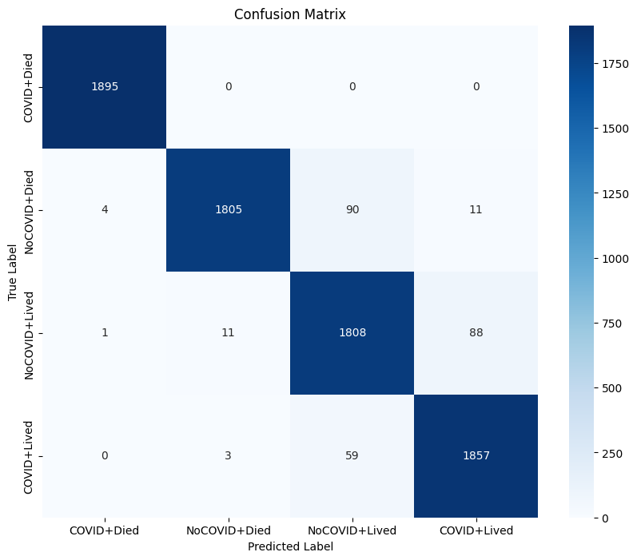
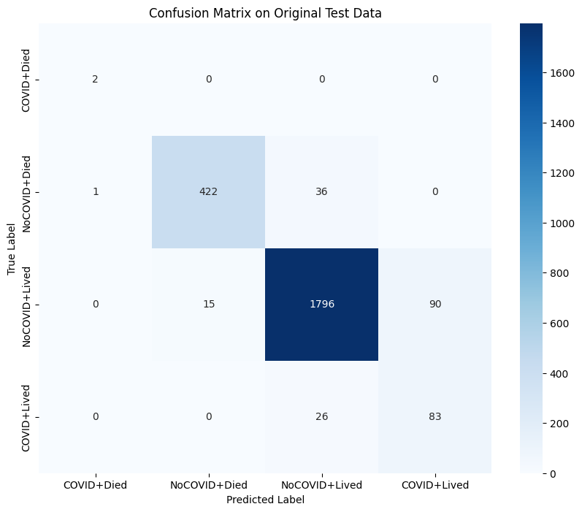
11 | 0.8988 | 1.2809 | 0.952 | 1.1679
12 | 0.9021 | 1.2211 | 0.9363 | 1.1749
13 | 0.9017 | 1.2313 | 0.9633 | 0.9823
14 | 0.9 | 1.1546 | 0.9515 | 0.9951
15 | 0.8981 | 1.1959 | 0.9554 | 0.949
16 | 0.9078 | 1.1028 | 0.9489 | 0.9378
17 | 0.9043 | 1.0584 | 0.9618 | 0.9768
18 | 0.8999 | 1.0561 | 0.9124 | 1.012
19 | 0.9029 | 1.0645 | 0.9515 | 0.97
20 | 0.9069 | 1.0529 | 0.9697 | 0.8581
21 | 0.907 | 0.9741 | 0.9048 | 0.9178
22 | 0.9012 | 1.0099 | 0.9592 | 0.8709
23 | 0.9047 | 1.0345 | 0.9428 | 0.8256
24 | 0.9025 | 0.9708 | 0.9663 | 0.7562
25 | 0.8948 | 1.1533 | 0.9584 | 0.852
26 | 0.9086 | 0.9674 | 0.9607 | 0.8468
27 | 0.9016 | 0.9683 | 0.9684 | 0.8053
28 | 0.9111 | 0.9395 | 0.9646 | 0.8266
29 | 0.9091 | 0.9449 | 0.9663 | 0.7774

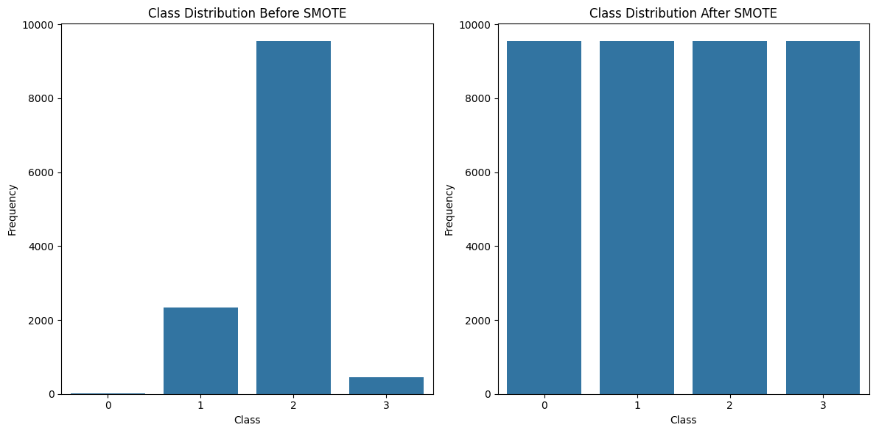

Training and Validation Accuracy for Randomized Data (e = 3)
Training and Validation Loss for Randomized Data (e = 3)

